Score & Character mapping
 | Character Unique Code |  | الاسم - Name | Meaning | Delight | Vitality | Freedom | Engagement | Description |  |  |  |  |  | Character image
1 | 0 | "00000" | Curious Nomad | Low | Low | Low | Low | Low | This character struggles with finding meaning, maintaining energy, experiencing personal freedom, engaging deeply in activities, and finding joy in their life. They may feel aimless, overwhelmed by daily challenges, and find it difficult to connect with their passions or purpose. | 0 | 0 | 0 | 0 | 0
2 | 110000 | "01001" | Distracted Connoisseur | Low | High | Low | Low | High | This character finds joy and deep engagement in various activities, but struggles with finding meaning, maintaining energy, and experiencing personal freedom. They might enjoy exploring new hobbies or interests, but lack a clear sense of purpose and struggle with keeping up their energy levels and autonomy. | 0 | 0 | 0 | 10000 | 100000
3 | 10000 | "00001" | Weary Diligent | Low | Low | Low | Low | High | This character is deeply engaged in their activities but struggles with finding meaning, maintaining energy, experiencing personal freedom, and finding joy in their life. They might work hard and commit to tasks but lack a sense of purpose, struggle with fatigue, and feel restricted in their choices. | 0 | 0 | 0 | 10000 | 0
4 | 101100 | "01110" | Vibrant Free Spirit | Low | High | High | High | Low | This character has high vitality, personal freedom, and experiences moments of joy, but struggles to find a sense of purpose and engagement in their life. They might enjoy the autonomy to make their own choices and pursue various interests but have difficulty committing to long-term goals or relationships | 0 | 100 | 1000 | 0 | 100000
5 | 1000 | "00010" | Aimless Wanderer | Low | Low | Low | High | Low | This character enjoys personal freedom but struggles with finding meaning, maintaining energy, deeply engaging in activities, and finding joy in their life. They might appreciate the ability to make their own choices but lack direction, motivation, and satisfaction in their experiences. | 0 | 0 | 1000 | 0 | 0 | 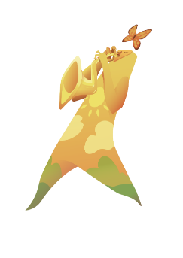
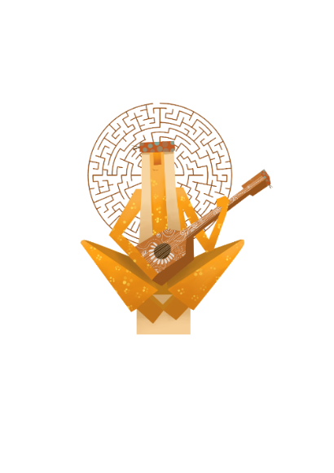
6 | 101000 | "01010" | Carefree Enthusiast | Low | High | Low | High | Low | This character enjoys personal freedom and experiences moments of joy, but struggles to find a sense of purpose, maintain their energy levels, and deeply engage in activities. They might find pleasure in various tasks and experiences but lack a sense of direction and commitment. | 0 | 0 | 1000 | 0 | 100000
7 | 11000 | "00011" | Persistent Wanderer | Low | Low | Low | High | High | This character enjoys personal freedom and is deeply engaged in activities, but struggles with finding meaning, maintaining energy, and experiencing delight in their life. They might be committed to their tasks and responsibilities but lack a sense of purpose, struggle with fatigue, and find it difficult to enjoy their experiences. | 0 | 0 | 1000 | 10000 | 0 | 
8 | 111000 | "01011" | Passionate Dabbler | Low | High | Low | High | High | This character enjoys personal freedom, deep engagement in activities, and experiences moments of joy, but struggles to find a sense of purpose and maintain their energy levels. They might be passionate about various interests and experiences but lack a clear sense of direction and find it challenging to maintain a healthy lifestyle and personal autonomy | 0 | 0 | 1000 | 10000 | 100000 | 
9 | 100 | "00100" | Energetic Drifter | Low | Low | High | Low | Low | This character has high vitality and energy but struggles with finding meaning, personal freedom, deep engagement, and experiencing delight in their life. They may be physically active and maintain a healthy lifestyle but lack a clear sense of purpose, feel constrained in their choices, and struggle to connect deeply with their interests and passions. | 0 | 100 | 0 | 0 | 0
10 | 100100 | "01100" | Spirited Enjoyer | Low | High | High | Low | Low | This character has high vitality and experiences moments of joy but struggles with finding meaning, personal freedom, and deep engagement in their life. They may enjoy various pleasurable experiences and maintain a healthy lifestyle but lack a sense of purpose, feel restricted in their choices, and have difficulty committing to long-term goals or relationships. | 0 | 100 | 0 | 0 | 100000 |  

11 | 10100 | "00101" | Determined Striver | Low | Low | High | Low | High | This character has high vitality and deep engagement in activities but struggles with finding meaning, personal freedom, and experiencing delight in their life. They may be committed to their tasks and responsibilities and maintain a healthy lifestyle but lack a sense of purpose, feel constrained in their choices, and struggle to find joy in their experiences. | 0 | 100 | 0 | 10000 | 0
12 | 110100 | "01101" | Joyful Dynamo | Low | High | High | Low | High | This character has high vitality, deep engagement, and experiences moments of joy, but struggles with finding meaning and personal freedom in their life. They may be passionate about their interests and maintain a healthy lifestyle but lack a clear sense of purpose and feel restricted in their choices, limiting their potential for personal growth. | 0 | 100 | 0 | 10000 | 100000 | 
13 | 1100 | "00110" | Independent Sprinter | Low | Low | High | High | Low | This character has high vitality and personal freedom but struggles with finding meaning, deep engagement, and experiencing delight in their life. They may enjoy the autonomy to make their own choices and pursue various interests but lack a sense of purpose, struggle to commit to long-term goals, and find it difficult to enjoy their experiences. | 0 | 100 | 1000 | 0 | 0 | 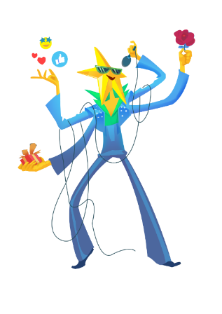
14 | 100000 | "01000" | Fleeting Joy Chaser | Low | High | Low | Low | Low | This character has high vitality, personal freedom, and experiences moments of joy, but struggles with finding meaning and deep engagement in their life. They may enjoy exploring new hobbies, maintaining a healthy lifestyle, and making their own choices, but lack a clear sense of purpose and have difficulty committing to long-term goals or relationships. | 0 | 0 | 0 | 0 | 100000
15 | 11100 | "00111" | Vibrant Seeker | Low | Low | High | High | High | This character has high vitality, personal freedom, and deep engagement in activities but struggles with finding meaning and experiencing delight in their life. They may be committed to their tasks and responsibilities, enjoy the autonomy to make their own choices, and maintain a healthy lifestyle, but lack a sense of purpose and struggle to find joy in their experiences. | 0 | 100 | 1000 | 10000 | 0 | 
16 | 111100 | "01111" | Thriving Adventurer | Low | High | High | High | High | This character has high vitality, personal freedom, deep engagement, and experiences moments of joy but struggles with finding meaning in their life. They may be passionate about their interests, maintain a healthy lifestyle, enjoy the autonomy to make their own choices, and find pleasure in various tasks and experiences, but lack a clear sense of purpose and direction. | 0 | 100 | 1000 | 10000 | 100000 | 
17 | 10 | "10000" | Purposeful Stumbler | High | Low | Low | Low | Low | This character has a strong sense of purpose and meaning in life but struggles with low vitality, personal freedom, deep engagement, and experiencing delight. They may have a clear mission and values but struggle with maintaining energy levels, feeling constrained in their choices, and finding joy and deep connection to their interests and passions. | 10 | 0 | 0 | 0 | 0 | 
18 | 100010 | "11000" | Fulfilled Dreamer | High | High | Low | Low | Low | This character has a strong sense of purpose and experiences moments of joy but struggles with low vitality, personal freedom, and deep engagement in their life. They may have a clear mission and values, and find pleasure in various experiences, but have difficulty maintaining energy levels, feeling restricted in their choices, and committing to long-term goals or relationships. | 10 | 0 | 0 | 0 | 100000 | 
19 | 10010 | "10001" | Resolute Anchor | High | Low | Low | Low | High | This character has a strong sense of purpose and deep engagement in activities but struggles with low vitality, personal freedom, and experiencing delight in their life. They may be committed to their tasks and responsibilities, and driven by their values, but find it difficult to maintain energy levels, feel constrained in their choices, and struggle to find joy in their experiences. | 10 | 0 | 0 | 10000 | 0
20 | 110010 | "11001" | Devoted Optimist | High | High | Low | Low | High | This character has a strong sense of purpose, deep engagement, and experiences moments of joy but struggles with low vitality and personal freedom. They may be passionate about their interests, find pleasure in various tasks and experiences, and driven by their values, but have difficulty maintaining energy levels and feeling restricted in their choices, limiting their potential for personal growth. | 10 | 0 | 0 | 10000 | 100000
21 | 1010 | "10010" | Unbound Visionary | High | Low | Low | High | Low | This character has a strong sense of purpose and high personal freedom but struggles with low vitality, deep engagement, and experiencing delight in their life. They may have a clear mission, values, and enjoy the autonomy to make their own choices, but struggle with maintaining energy levels, committing to long-term goals, and finding joy in their experiences | 10 | 0 | 1000 | 0 | 0
22 | 101010 | "11010" | Inspired Wanderer | High | High | Low | High | Low | This character has a strong sense of purpose, personal freedom, and experiences moments of joy, but struggles with low vitality and deep engagement in their life. They may have a clear mission and values, enjoy the autonomy to make their own choices, and find pleasure in various experiences, but have difficulty maintaining energy levels and committing to long-term goals or relationships. | 10 | 0 | 1000 | 0 | 100000
23 | 11010 | "10011" | Dedicated Pathfinder | High | Low | Low | High | High | This character has a strong sense of purpose, personal freedom, and deep engagement in activities but struggles with low vitality and experiencing delight in their life. They may be committed to their tasks and responsibilities, driven by their values, and enjoy the autonomy to make their own choices, but struggle with maintaining energy levels and finding joy in their experiences. | 10 | 0 | 1000 | 10000 | 0
24 | 111010 | "11011" | Enlightened Explorer | High | High | Low | High | High | This character has a strong sense of purpose, personal freedom, deep engagement, and experiences moments of joy but struggles with low vitality. They may be passionate about their interests, driven by their values, enjoy the autonomy to make their own choices, and find pleasure in various tasks and experiences, but have difficulty maintaining energy levels and staying physically active. | 10 | 0 | 1000 | 10000 | 100000
25 | 110 | "10100" | Driven Conqueror | High | Low | High | Low | Low | This character has a strong sense of purpose and high vitality but struggles with personal freedom, deep engagement, and experiencing delight in their life. They may be physically active, maintain a healthy lifestyle, and have a clear mission and values, but feel constrained in their choices, struggle to connect deeply with their interests and passions, and find it difficult to enjoy their experiences. | 10 | 100 | 0 | 0 | 0
26 | 100110 | "11100" | Spirited Seeker | High | High | High | Low | Low | This character has a strong sense of purpose, high vitality, and experiences moments of joy but struggles with personal freedom and engagement in their life. They may be passionate about their values, maintain a healthy lifestyle, and find pleasure in various experiences, but feel constrained in their choices and have difficulty committing to long-term goals or relationships. | 10 | 100 | 0 | 0 | 100000
27 | 10110 | "10101" | Committed Dynamo | High | Low | High | Low | High | This character has a strong sense of purpose, high vitality, and deep engagement in activities but struggles with personal freedom and experiencing delight in their life. They may be physically active, maintain a healthy lifestyle, and be committed to their tasks and responsibilities, but feel constrained in their choices and struggle to find joy in their experiences. | 10 | 100 | 0 | 10000 | 0
28 | 110110 | "11101" | Energetic Champion | High | High | High | Low | High | This character has a strong sense of purpose, high vitality, deep engagement, and experiences moments of joy, but struggles with personal freedom. They may be passionate about their interests, maintain a healthy lifestyle, and find pleasure in various tasks and experiences, but feel limited in their choices, which may restrict their potential for personal growth. | 10 | 100 | 0 | 10000 | 100000
29 | 1110 | "10110" | Vibrant Navigator | High | Low | High | High | Low | This character has a strong sense of purpose, high vitality, and personal freedom but struggles with deep engagement and experiencing delight in their life. They may have a clear mission and values, maintain a healthy lifestyle, and enjoy the autonomy to make their own choices, but find it difficult to commit to long-term goals or relationships and struggle to find joy in their experiences. | 10 | 100 | 1000 | 0 | 0
30 | 101110 | "11110" | Joyful Adventurer | High | High | High | High | Low | This character has a strong sense of purpose, high vitality, personal freedom, and experiences moments of joy, but struggles with deep engagement in their life. They may have a clear mission and values, maintain a healthy lifestyle, enjoy the autonomy to make their own choices, and find pleasure in various experiences, but have difficulty committing to long-term goals or relationships. | 10 | 100 | 1000 | 0 | 100000
31 | 11110 | "10111" | Harmonious Achiever | High | Low | High | High | High | This character has a strong sense of purpose, high vitality, personal freedom, and deep engagement in activities but struggles with experiencing delight in their life. They may be committed to their tasks and responsibilities, driven by their values, maintain a healthy lifestyle, and enjoy the autonomy to make their own choices, but struggle to find joy in their experiences. | 10 | 100 | 1000 | 10000 | 0
32 | 111110 | "11111" | Radiant Fulfiller | High | High | High | High | High | This character embodies all aspects of the 5 truths of happiness, with a strong sense of purpose, high vitality, personal freedom, deep engagement, and experiencing moments of joy in their life. They are driven by their values, maintain a healthy lifestyle, enjoy the autonomy to make their own choices, passionately pursue their interests, and find pleasure in various tasks and experiences, resulting in a fulfilling and well-rounded life. | 10 | 100 | 1000 | 10000 | 100000

